Sheet1
Project Name | Note Master
Prepared by | Vikash Kumar Bharti |  | Bug Report
Date | 01/04/2025
Reviewed by | NA

Bug ID | Description | Steps to Reproduce | Expected Result | Actual Result | Severity | Priority | Screenshot | Suggestion
BUG_001 | Eye icon missing in Register page | 1. Open the Register page 2. Check the password field | Eye icon should be present to toggle password visibility | Eye icon is missing | Low | Medium | 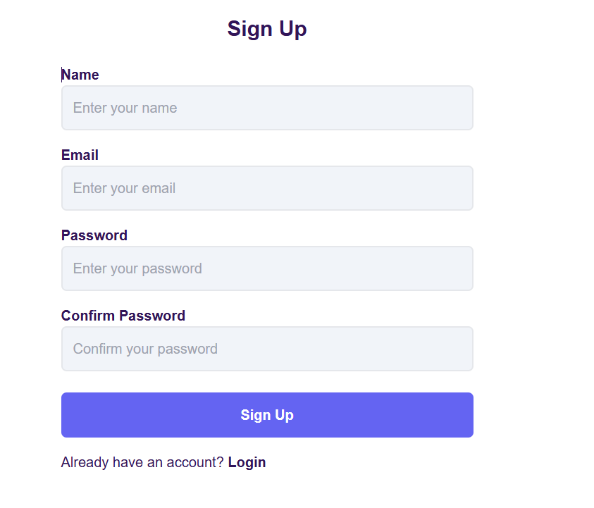 | Add an eye icon for password visibility
BUG_002 | Unlimited number of support messages allowed | 1. Open support section 2. Keep sending messages | There should be a limit on the number of support messages | Users can send unlimited messages | Medium | Medium | 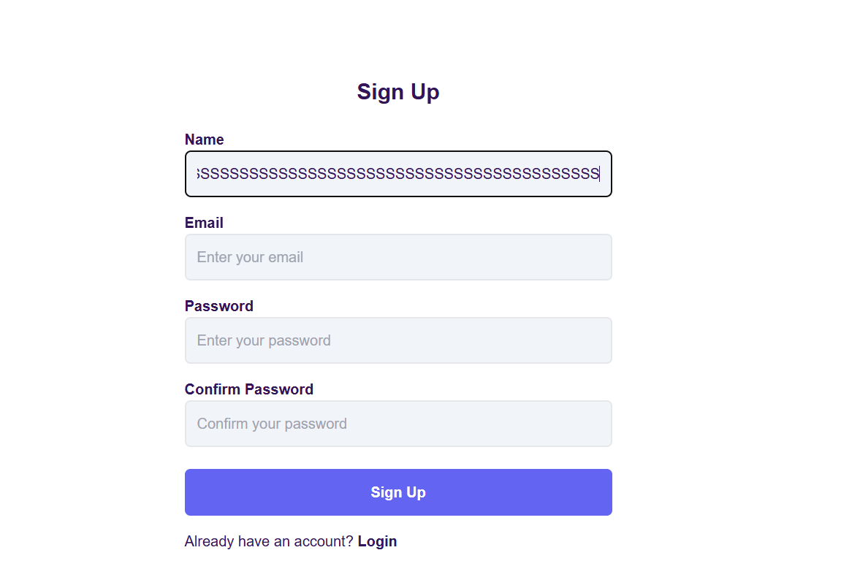 | Implement a message limit per user
BUG_003 | Password validation is missing | 1. Open the Register page 2. Enter a weak password 3. Try to sign up | System should enforce password rules | Weak passwords are accepted | High | High | 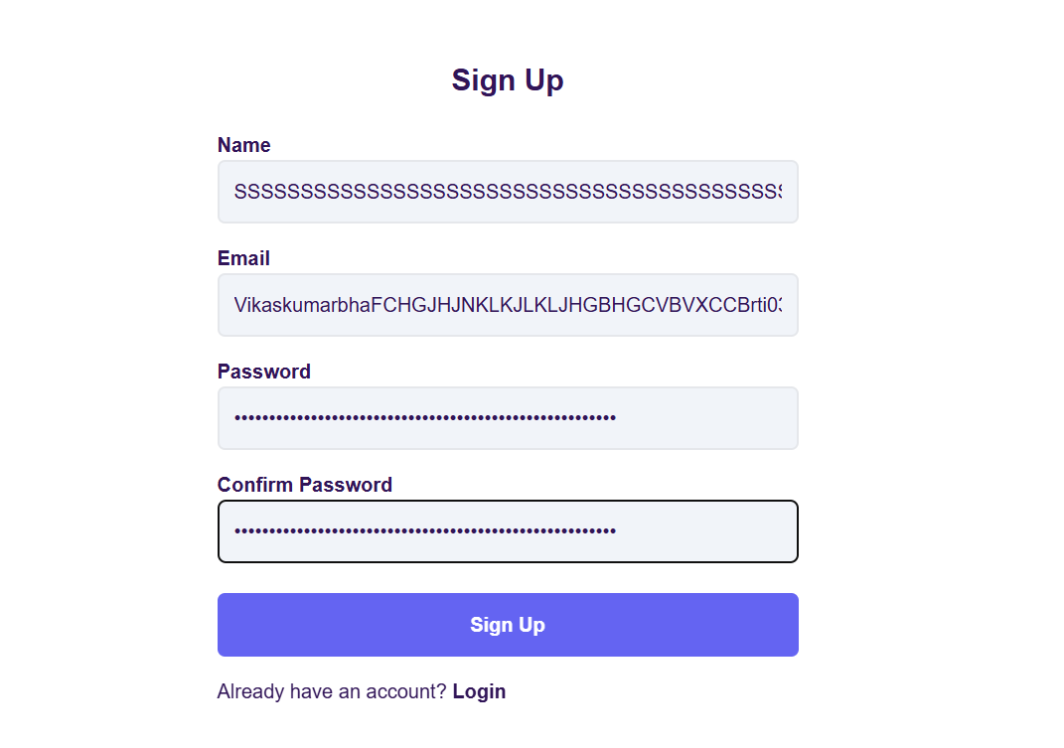 | Implement strong password validation (uppercase, number, special character)
BUG_004 | Successful signup redirects to the login page instead of the home page | 1. Sign up with valid credentials 2. Click submit | User should be redirected to the home page | User is redirected to the login page | High | High |  | Redirect user to the home page after successful signup
BUG_005 | Profile picture edit does not allow zoom in/out | 1. Open the profile edit page 2. Try to zoom in/out on the profile picture | Users should be able to zoom in/out while editing the profile picture | Zoom in/out functionality is not available | Medium | Medium | 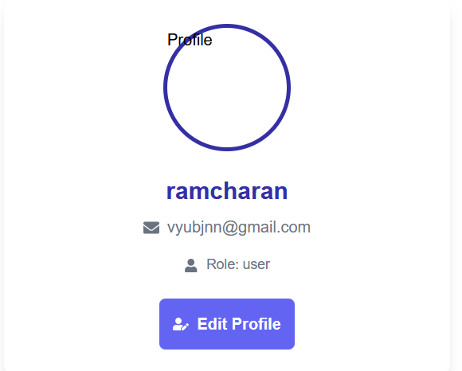 | Add zoom in/out functionality for profile picture editing
BUG_006 | Clicking on navigation items (except Logout) overlays the previous page instead of replacing it | 1. Click on the profile dropdown menu 2. Select any option except Logout ( Profile, Todo, Dashboard, All Notes, All Note Books) 3. Observe the page behavior | Each menu item should open its respective page cleanly without overlapping | The previous page content remains, causing an overlay issue | High | High |  | Ensure that each menu option properly reloads its respective page without stacking over previous content
BUG_007 | Multiple Duplicate Reminders Are Automatically Scheduled | 1. Open the NoteMaster application. 2. Click on Add Reminder and select a date and time. 3. Click Save Changes and observe the reminder list. 4. Notice that the same reminder appears multiple times. | Each reminder should be added only once, and there should be no duplicate reminders in the list. | The same reminder appears multiple times, cluttering the reminder list. | Medium | High |  | Implement a validation mechanism to check for duplicate reminders before adding. Debug the function handling reminders to ensure unique entries.

